Cover Page
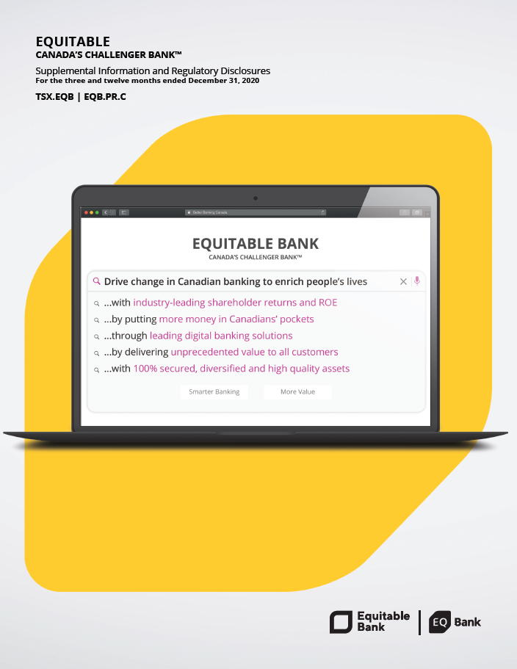

Notes to Readers
Notes to Readers
Purpose of this document
This Supplemental Information and Regulatory Disclosures Report, the (Report) aims to provide the readers with the following regulatory disclosures and other additional voluntary disclosures that will assist the readers' assessment of business performance of Equitable Group Inc. (Equitable).
1. Disclosures related to Equitable's loan portfolio, some of which relate to disclosure requirements outlined in OSFI's Guideline B-20, 'Residential Practices and Procedures'.
2. Equitable Bank’s regulatory capital Basel Pillar III disclosures.
Use of this document
Readers are cautioned that financial information contained in this Report include both Generally Accepted Accounting Principles (GAAP) and non-GAAP measures. The latter often does not have any standardized meaning, and therefore, are not comparable to similar measures presented by other financial institutions.
This Report should be read in conjunction with the Equitable's 2020 annual report.
Basis of presentation
All amounts in this Report are Canadian dollars and quarterly numbers are unaudited.
GAAP measures have been prepared in accordance with International Financial Reporting Standards (IFRS) unless otherwise stated. Non-GAAP measures used in this Report are defined under the Section "Non-GAAP measures".

